Q&A 1
 |  | 12 | Out of town but within your region of the province (40-100km away from where you live):Once travel restrictions are lifted, how long will it be before you feel comfortable travelling…
 |  |  | To another region within your province (100+km away from where you live):Once travel restrictions are lifted, how long will it be before you feel comfortable travelling…
 |  |  | To another province:Once travel restrictions are lifted, how long will it be before you feel comfortable travelling…
 |  |  | To Ontario:Once travel restrictions are lifted, how long will it be before you feel comfortable travelling…
 |  |  | To the United States:Once travel restrictions are lifted, how long will it be before you feel comfortable travelling…
 |  |  | Internationally:Once travel restrictions are lifted, how long will it be before you feel comfortable travelling…

 |  | 40-100km away from where you live |  |  | 100+km away from where you live |  |  | To another province |  |  | To the United States |  |  | Internationally
 |  | A few times a year | 2.40 |  | A few times a year | 2.92 |  | Never | 2.66 |  | Once a year or less | 2.17 |  | A few times a year | 2.56
 |  | Never | 2.25 |  | Never | 2.78 |  | A few times a year | 3.66 |  | A few times a year | 3.44 |  | Once a year or less | 2.98
 |  | Once a year or less | 2.54 |  | Once a year or less | 2.79 |  | Once a year or less | 3.09 |  | Never | 1.11 |  | Never | 0.92
 |  | A few times a month | 1.96 |  | A few times a month | 2.73 |  | Once a month | 4.49 |  | A few times a month | 2.70 |  | A few times a month | 2.50
 |  | Once a month | 2.46 |  | Once a month | 3.00 |  | A few times a month | 4.28 |  | Once a month | 3.05 |  | Once a month | 3.68

Final Observations | A few times a month has the lowest comfort level at 1.96, indicating the least comfort in traveling within this range. "Once a year or less" has the highest comfort level at 2.54, suggesting that people are more comfortable with infrequent trips within this distance. |  |  | The data suggests that people who travel 100+ km away from home once a month report the highest satisfaction, while those who travel only a few times a month report the lowest. |  |  | The data shows that frequency of travel to another province increases with a higher average score, peaking at "Once a month" with a score of 4.49. |  |  | The data indicates that visits to the United States are most frequent for those who travel a few times a year, with the least frequent visits being for those who never travel. |  |  | The data suggests that frequency of international engagement is positively correlated with higher values, with the highest value observed for "Once a month" (3.68) and the lowest for "Never" (0.92).

Q&A 2
 | 2 | Out of town but within your region of the province (40-100km away from where you live):Over the past year, how often did you travel to the following destinations for non-business travel?
 |  | To another region within your province (100+km away from where you live):Over the past year, how often did you travel to the following destinations for non-business travel?
 |  | To another province:Over the past year, how often did you travel to the following destinations for non-business travel?
 |  | To Ontario:Over the past year, how often did you travel to the following destinations for non-business travel?
 |  | To the United States:Over the past year, how often did you travel to the following destinations for non-business travel?
 |  | Internationally:Over the past year, how often did you travel to the following destinations for non-business travel?

 | Destination | Once a year or less | A few times a year | Never
 | Out of Town (40-100 km) | 149 | 422 | 109
 | Another Region (100+ km) | 273 | 418 | 133
 | Another Province | 338 | 145 | 443
 | Ontario | 0 | 0 | 0
 | United States | 338 | 220 | 364
 | International | 369 | 132 | 447

 | Destination | Out of Town (40-100 km) |  | Destination | Another Region (100+ km) | Destination | Another Province |  | Destination | United States |  | Destination | International
 | Once a year or less | 149 |  | Once a year or less | 273 | Once a year or less | 338 |  | Once a year or less | 338 |  | Once a year or less | 369
 | A few times a year | 422 |  | A few times a year | 418 | A few times a year | 145 |  | A few times a year | 220 |  | A few times a year | 132
 | Never | 109 |  | Never | 133 | Never | 443 |  | Never | 364 |  | Never | 447

Final Observations | Most respondents show a moderate frequency of non-business travel to nearby areas within 40-100 km. This suggests local travel is common for leisure or personal visits, likely due to ease of access and shorter travel times. |  |  | Travel to other regions within the province is relatively frequent, indicating that many individuals are willing to travel slightly farther within their province for non-business purposes, possibly to visit extended family or tourist locations. |  | The data shows fewer non-business trips to other provinces compared to intra-provincial travel. This suggests that inter-provincial travel may be reserved for special occasions, possibly due to longer distances and higher travel costs. |  | Non-business travel to the United States is present but relatively limited, likely due to international border requirements, travel costs, and the need for more time commitment compared to domestic trips. |  |  | International travel is the least frequent among all categories. This low frequency is likely influenced by factors such as travel expenses, time, and documentation requirements, indicating that international trips are typically for rare or significant occasions.

Example 1
Overall, how worried, if at all, is the situation with COVID-19 making you right now? |  |  | Once travel restrictions are lifted, how long will it be before you feel comfortable travelling: Out of town but within your region of the province (40-100km away from where you live)?
A little worried | 113 | 39% | 3 months | 88 | 30%
Somewhat worried | 95 | 33% | Not until there is a vaccine | 21 | 7%
Really worried | 62 | 21% | 6 months | 43 | 15%
Not at all worried | 20 | 7% | ASAP | 74 | 26%
 |  |  | Not something I’m interested in | 6 | 2%
 |  |  | Not sure yet | 33 | 11%
 |  |  | More than a year | 8 | 3%
 |  |  | 12 months | 17 | 6%

Total | 290 |  | Total | 290
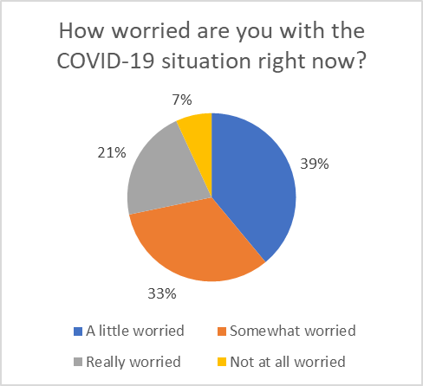
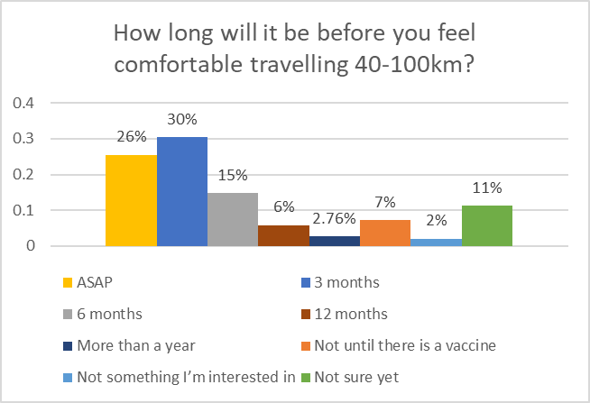

Currently, just over half (54%) of the people surveyed are Really/Somewhat worried about the COVID-19 situation. Though, 39% are still 'A little worried' and only 7% are 'Not worried at all'. It is clear that Covid-19 is still enough of a concern for the majority of this sample size, whereas less than 10% are not worried at all. |  |  | Once travel restrictions are lifted, 56% will feel comfortable travelling within 40-100km within 3 months; this would suggest that this group is really keen to travel almost immediately. Whereas almost a quarter (21%) will patiently wait 6-12 months after restictions are lifted. Only 7% of this sample size feel unsafe to travel 40-100km from their homes until there is a vaccine available to them, and 11% are not sure yet.

Example 2
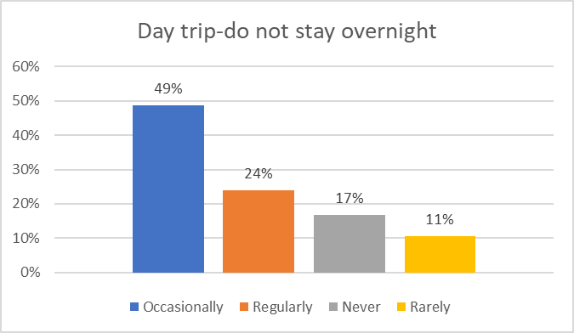
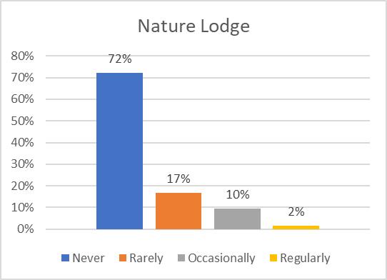
When you travel and stay overnight in a destination in Ontario, how often do you typically stay in the following types of accommodations?
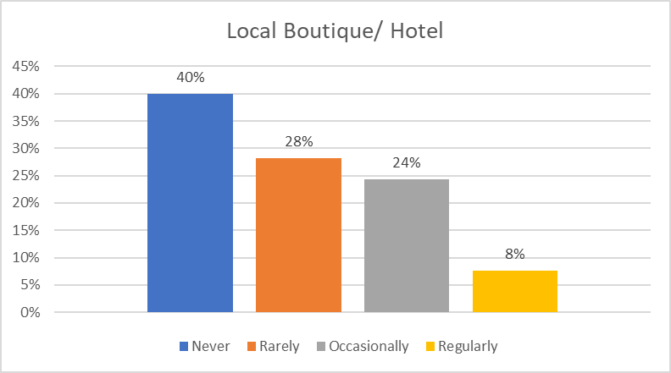
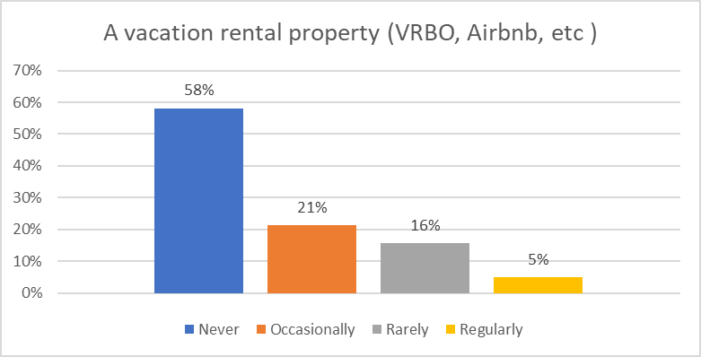
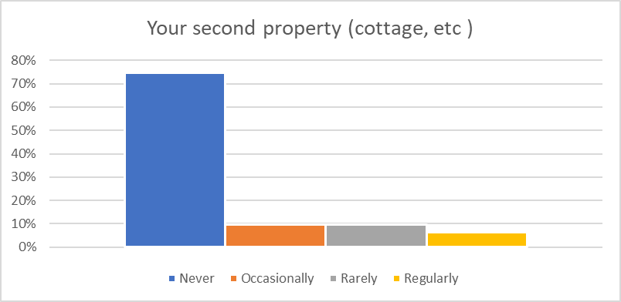
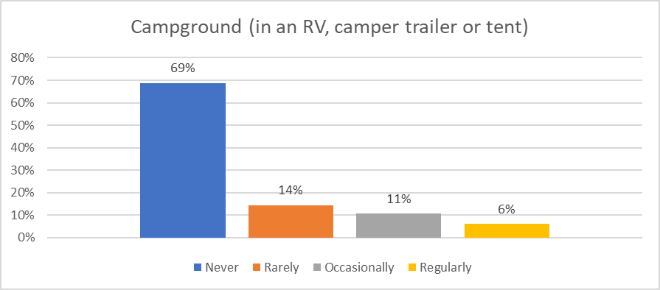
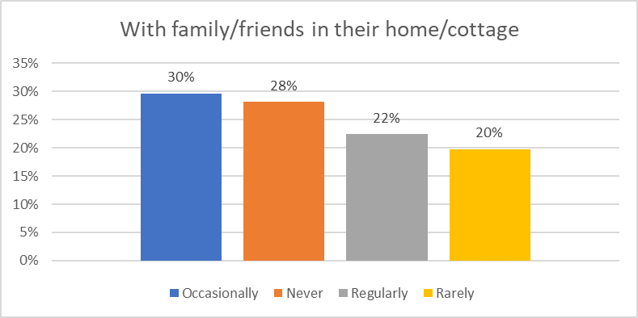
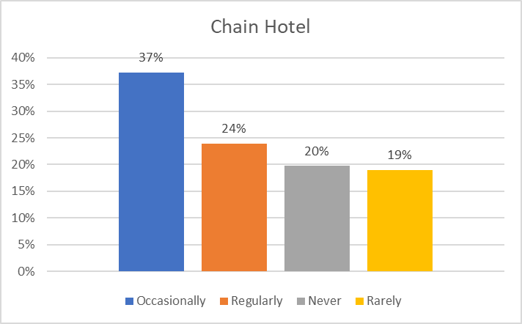
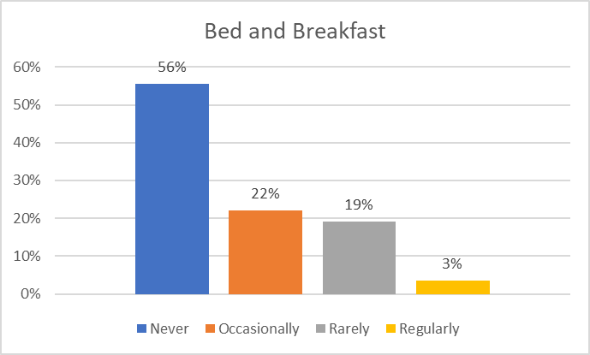

When you travel and stay overnight in a destination in Ontario, how often do you typically stay in the following types of accommodations? |  |  | When you travel and stay overnight in a destination in Ontario, how often do you typically stay in the following types of accommodations? |  |  | When you travel and stay overnight in a destination in Ontario, how often do you typically stay in the following types of accommodations? |  |  | When you travel and stay overnight in a destination in Ontario, how often do you typically stay in the following types of accommodations? |  |  | When you travel and stay overnight in a destination in Ontario, how often do you typically stay in the following types of accommodations? |  |  | When you travel and stay overnight in a destination in Ontario, how often do you typically stay in the following types of accommodations? |  |  | When you travel and stay overnight in a destination in Ontario, how often do you typically stay in the following types of accommodations? |  |  | When you travel and stay overnight in a destination in Ontario, how often do you typically stay in the following types of accommodations? |  |  | When you travel and stay overnight in a destination in Ontario, how often do you typically stay in the following types of accommodations?
Chain Hotel | Count | % | Local Boutique/ Hotel | Count | % | Bed and Breakfast | Count | % | A vacation rental property (VRBO, Airbnb, etc ) | Count | % | Your second property (cottage, etc ) | Count | % | Campground (in an RV, camper trailer or tent) | Count | % | With family/friends in their home/cottage | Count | % | Day trip-do not stay overnight | Count | % | Nature Lodge | Count | %
Occasionally | 98 | 37% | Never | 105 | 40% | Never | 146 | 56% | Never | 153 | 58% | Never | 196 | 75% | Never | 181 | 69% | Occasionally | 78 | 30% | Occasionally | 128 | 49% | Never | 190 | 72%
Regularly | 63 | 24% | Rarely | 74 | 28% | Occasionally | 58 | 22% | Occasionally | 56 | 21% | Occasionally | 25 | 10% | Rarely | 38 | 14% | Never | 74 | 28% | Regularly | 63 | 24% | Rarely | 44 | 17%
Never | 52 | 20% | Occasionally | 64 | 24% | Rarely | 50 | 19% | Rarely | 41 | 16% | Rarely | 25 | 10% | Occasionally | 28 | 11% | Regularly | 59 | 22% | Never | 44 | 17% | Occasionally | 25 | 10%
Rarely | 50 | 19% | Regularly | 20 | 8% | Regularly | 9 | 3% | Regularly | 13 | 5% | Regularly | 17 | 6% | Regularly | 16 | 6% | Rarely | 52 | 20% | Rarely | 28 | 11% | Regularly | 4 | 2%
TOTAL | 263 | 100% | TOTAL | 263 | 100% | TOTAL | 263 | 100% | TOTAL | 263 | 100% | TOTAL | 263 | 100% | TOTAL | 263 | 100% | TOTAL | 263 | 100% | TOTAL | 263 | 100% | TOTAL | 263 | 100%

From the 263 respondents, 73% Regularly or Occasionally stay overnight in an Ontario Destination, and 27% Rarely or Never stay overnight and are day trippers. However, overall, 'Chain Hotels' (61%) and 'With Family/Friends' (52%) were ranked the highest options for Regularly/Occasionally that people choose to stay overnight. The lowest ranked were at a 'Nature Lodges' (89%), 'Campground' (83%), and 'Second Property (84%)* - please note: the % of this sample size that own second properties is unknown and might skew this count

